Sheet1
States | Number of Vehicle Stolen
Andhra Pradesh | 42652.00 | State Wise Vehicle Stolen
Assam | 7439.00
Bihar | 17809.00
State Wise Vehicle Stolen(2001-2010)
Chandigarh | 5474.00
Delhi | 78764.00
Goa | 1729.00
Gujarat | 61236.00
Kerala | 14629.00
Maharashtra | 100463.00
Manipur | 1240.00
Punjab | 13520.00 |  | Pivot Chart - Line Chart
Tamil Nadu | 34518.00
Uttar Pradesh | 71702.00
West Bengal | 24338.00

Sheet2
States | Number of Vehicle Recovered | Number of Vehicle Traced
Andhra Pradesh | 21923 | 2301
Assam | 1830 | 137
Bihar | 2475 | 243
Chandigarh | 1841 | 0
Delhi | 15423 | 2575
Goa | 571 | 47
Gujarat | 16274 | 4533
Kerala | 4955 | 201
Maharashtra | 28220 | 7116
Manipur | 78 | 32
Punjab | 5695 | 2893
Tamil Nadu | 24638 | 14271
Uttar Pradesh | 14270 | 1062
West Bengal | 4773 | 796

Sheet3
Number of Vehicle traced(2001-2010)
State | Number of Vehicle Traced
Andhra Pradesh | 2301
Assam | 137
Bihar | 243
Chandigarh | 0
Delhi | 2575
Goa | 47
Gujarat | 4533
Kerala | 201
Maharashtra | 7116
Manipur | 32
Punjab | 2893
Tamil Nadu | 14271
Uttar Pradesh | 1062
West Bengal | 796

 |  | Clustered Bar Chart

Sheet4
Year Wise Vehicle Stolen
Year | Number of Vehicle Stolen
2001 | 43531
2002 | 46282
2003 | 46832
2004 | 53823
2005 | 54389
2006 | 56817
2009 | 86119
2010 | 87720

Sheet5
Year Wise Vehicle recovered | Types of Vehicle
 | Buses | Car/Taxi/Jeep | Motor Cycles/ Scooters | Other Vehicles | Trucks/Tempo
2001 | 72 | 3213 | 10031 | 897 | 271
2002 | 61 | 3054 | 10961 | 819 | 343
2003 | 50 | 2841 | 11657 | 795 | 320
2004 | 68 | 2706 | 12699 | 1275 | 428
2005 | 91 | 2293 | 12645 | 1039 | 304
2006 | 86 | 2477 | 12862 | 1221 | 335
2009 | 31 | 2618 | 18872 | 1061 | 515
2010 | 71 | 3049 | 19154 | 1252 | 429

 |  |  |  |  |  | Column Chart

Sheet6
Types of Vehicle | Number of Vehicle Stolen
Buses | 1094
Car/Taxi/Jeep | 90948
Types of Vehicle Stolen
Motor Cycles/ Scooters | 357120
Other Vehicles | 18589
Trucks/Tempo | 7762

 |  | Clustered Bar chart

Dashboard
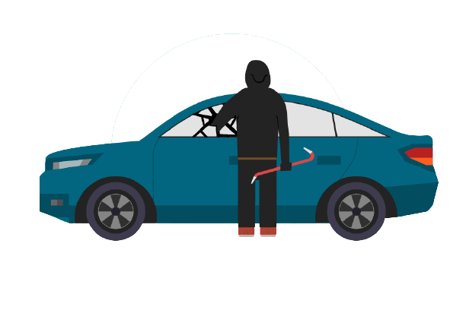


Vehicle Theft In India

State Wise Vehicle Stolen(2001-2010)
 | Total
Andhra Pradesh | 42652.00
Assam | 7439.00
Bihar | 17809.00
Chandigarh | 5474.00
Delhi | 78764.00
Goa | 1729.00
Gujarat | 61236.00
Kerala | 14629.00
Maharashtra | 100463.00
Manipur | 1240.00
Punjab | 13520.00
Tamil Nadu | 34518.00
Uttar Pradesh | 71702.00
West Bengal | 24338.00
 | Total
Andhra Pradesh | 42652.00
Assam | 7439.00
Bihar | 17809.00
Chandigarh | 5474.00
Delhi | 78764.00
Goa | 1729.00
Gujarat | 61236.00
Kerala | 14629.00
Maharashtra | 100463.00
Manipur | 1240.00
Punjab | 13520.00
Tamil Nadu | 34518.00
Uttar Pradesh | 71702.00
West Bengal | 24338.00
 | Buses | Car/Taxi/Jeep | Motor Cycles/ Scooters | Other Vehicles | Trucks/Tempo
2001 | 72 | 3213 | 10031 | 897 | 271
2002 | 61 | 3054 | 10961 | 819 | 343
2003 | 50 | 2841 | 11657 | 795 | 320
2004 | 68 | 2706 | 12699 | 1275 | 428
2005 | 91 | 2293 | 12645 | 1039 | 304
2006 | 86 | 2477 | 12862 | 1221 | 335
2009 | 31 | 2618 | 18872 | 1061 | 515
2010 | 71 | 3049 | 19154 | 1252 | 429

Year Wise Vehicle Stolen
 | Total
2001 | 43531
2002 | 46282
2003 | 46832
2004 | 53823
2005 | 54389
2006 | 56817
2009 | 86119
2010 | 87720
Types of Vehicle Stolen
 | Total
Buses | 1094
Car/Taxi/Jeep | 90948
Motor Cycles/ Scooters | 357120
Other Vehicles | 18589
Trucks/Tempo | 7762

 | Number of Vehicle Recovered | Number of Vehicle Traced
Andhra Pradesh | 21923 | 2301
Assam | 1830 | 137
Bihar | 2475 | 243
Chandigarh | 1841 | 0
Delhi | 15423 | 2575
Goa | 571 | 47
Gujarat | 16274 | 4533
Kerala | 4955 | 201
Maharashtra | 28220 | 7116
Manipur | 78 | 32
Punjab | 5695 | 2893
Tamil Nadu | 24638 | 14271
Uttar Pradesh | 14270 | 1062
West Bengal | 4773 | 796

 | NumNumber of Vehicle Recovered vs Number of Vehicle Tracedber of Vehicle Recovered vs Number of Vehicle Traced

